Placards
LOCKOUT/TAGOUT PROCEDURE
[EN] Date: 2026-08-29 · Scan for digital placard
EQUIPMENT: SKPO-101 (Pop Chip Press #1 - Pop Chip) |  |  |  |  |  | Pop Chip
KEEP OUT! HAZARDOUS VOLTAGE AND MOVING PARTS
PHOTO_FIX 2026-05-13: Repointed from SKAP-1501 (Automated Packaging Seal Checker — wildly wrong cross-prefix placeholder) to SKPO-PRESS-TYPICAL-EQ canonical Pop Chip Press photo. IP uses same photo until press-specific IP captured on field walk.

PURPOSE |  |  |  |  | LOCKOUT APPLICATION PROCESS
This procedure establishes the minimum requirements for lockout of energy-isolating devices. It ensures equipment is stopped, isolated from all potentially hazardous energy sources, and locked out before any servicing or maintenance activities are performed. |  |  |  |  | 1. Communicate to all AFFECTED employees 2. Shut down the equipment using normal stopping procedures 3. Isolate energy sources 4. Apply lockout devices, locks, and tags 5. Release all stored energy 6. Verify equipment is de-energized by attempting to start up 7. After test, place controls in a neutral position

COLOR CODES
E = Electrical | G = Gas |  | H = Hydraulic | P = Pneumatic |  | M = Mechanical |  | T = Thermal
W = Water | S = Steam |  | V = Valve | CG = Compressed Gas |  | CP = Control Panel |  | GR = Gravity
EQUIPMENT IDENTIFICATION AND ENERGY ISOLATION PROCEDURE
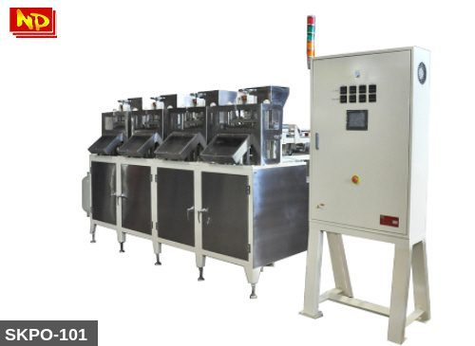 |  |  |  | 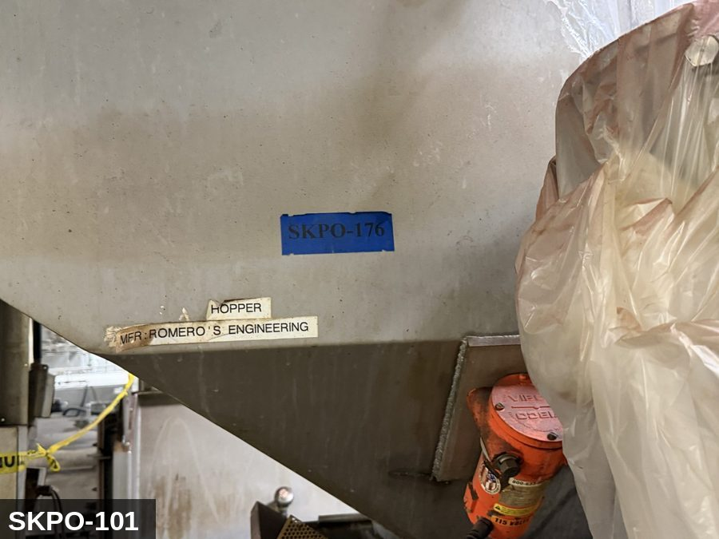

PHOTO OF EQUIPMENT |  |  |  | PHOTO OF ISOLATION / DISCONNECT
Energy Tag & Description | Isolation Procedure & Lockout Devices |  |  |  | Method of Verification
E — Electrical ISOLATE ELECTRICAL (E) — Pop Chip rotary multi-station press. Main drive 208/480 VAC 3Φ. Heated die zones — band heaters per zone. Servo / VFD drives — DC-bus discharge ≥5 min. | ISOLATION PROCEDURE — ELECTRICAL (rotary Pop Chip press, SKPO-101): 1. Notify all affected employees that LOTO is being performed on SKPO-101. 2. Complete current cycle; press STOP, then E-STOP. 3. Open MAIN PRESS disconnect at the press control panel labeled SKPO-101. Apply personal padlock + tag. 4. Open and lock each DIE-HEATER branch breaker. 5. Open and lock the HOPPER-FEED motor disconnect. 6. Open and lock the CONTROL-PANEL disconnect. 7. Wait ≥5 minutes for servo / VFD DC-bus capacitor discharge. |  |  |  | METHOD OF VERIFICATION — ELECTRICAL: 1. Test-before-touch at the press-drive motor terminals. 2. Meter VFD/servo DC bus <50 V at + / − before opening drive enclosure. 3. Attempt start at HMI — confirm no response.

M — Mechanical ISOLATE MECHANICAL (M) — Rotary turret with multiple die stations, cam-actuated punches generating >30 tons crushing force per punch. Turret retains rotational inertia after E-stop — full coast-down required. Heated die surfaces 250–400 °F. | ISOLATION PROCEDURE — MECHANICAL (rotary turret, SKPO-101): 1. After electrical isolation, allow turret to coast to FULL stop (10–30 s typical) — visually verify. 2. Engage the manufacturer's TURRET-LOCK PIN before reaching past the punch guarding. 3. Allow die surfaces to cool to <60 °C; verify by IR thermometer. 4. Apply mechanical-isolation tag at the turret lock. |  |  |  | METHOD OF VERIFICATION — MECHANICAL: 1. Visually confirm turret stationary. 2. Inspect TURRET-LOCK PIN engagement. 3. Die-surface temperature <60 °C by IR thermometer. 4. Attempt to manually rotate the turret — confirm no movement.

P — Pneumatic ISOLATE PNEUMATIC (P) — 80–100 psig to product-ejection assist, dust extraction, and hopper-shaker. | ISOLATION PROCEDURE — PNEUMATIC: 1. Close and lock the pneumatic ball valve at the equipment FRL. 2. Vent downstream to 0 psig. |  |  |  | METHOD OF VERIFICATION — PNEUMATIC: 1. Pneumatic gauge downstream of FRL reads 0 psig. 2. Attempt to cycle ejection actuator — confirm no movement.

LOCKOUT REMOVAL PROCESS
1. Notify all AFFECTED employees that lockout is being removed 2. Inspect the work area to ensure tools and items have been removed 3. Verify that all employees are clear of the equipment 4. Verify that controls are in the neutral or off position |  |  |  | 5. Remove lockout devices, locks, and tags 6. Re-energize the equipment 7. Notify all AFFECTED employees that the equipment is back in service

Spanish translation on reverse — print double-sided.
Signature |  | Date |  | Dept |  |  | See PM Store in PT Folder

PROCEDIMIENTO DE BLOQUEO/ETIQUETADO
[ES] Fecha: 2026-08-29 · Escanee para placa digital
BORRADOR — NO REVISADO · traducción sin revisar
EQUIPO: SKPO-101 (Pop Chip Press #1 - Pop Chip) |  |  |  |  |  | Pop Chip
¡MANTÉNGASE ALEJADO! VOLTAJE PELIGROSO Y PIEZAS EN MOVIMIENTO
PHOTO_FIX 2026-05-13: Repointed from SKAP-1501 (Automated Packaging Seal Checker — wildly wrong cross-prefix placeholder) to SKPO-PRESS-TYPICAL-EQ canonical Pop Chip Press photo. IP uses same photo until press-specific IP captured on field walk.

PROPÓSITO |  |  |  |  | PROCESO DE APLICACIÓN DE BLOQUEO
Este procedimiento establece los requisitos mínimos para el bloqueo de los dispositivos de aislamiento de energía. Garantiza que el equipo se detenga, se aísle de todas las fuentes de energía potencialmente peligrosas y se bloquee antes de realizar actividades de servicio o mantenimiento. |  |  |  |  | 1. Comunicar a todos los empleados AFECTADOS 2. Apagar el equipo usando procedimientos normales de parada 3. Aislar las fuentes de energía 4. Aplicar dispositivos de bloqueo, candados y etiquetas 5. Liberar toda la energía almacenada 6. Verificar que el equipo esté desenergizado intentando arrancarlo 7. Después de la prueba, colocar los controles en posición neutral

CÓDIGOS DE COLOR
E = Eléctrico | G = Gas |  | H = Hidráulico | P = Neumático |  | M = Mecánico |  | T = Térmico
W = Agua | S = Vapor |  | V = Válvula | CG = Gas Comprimido |  | CP = Panel Control |  | GR = Gravedad
IDENTIFICACIÓN DEL EQUIPO Y PROCEDIMIENTO DE AISLAMIENTO DE ENERGÍA

FOTO DEL EQUIPO |  |  |  | FOTO DE AISLAMIENTO / DESCONEXIÓN
Etiqueta y Descripción | Procedimiento de Aislamiento y Dispositivos |  |  |  | Método de Verificación
E — Eléctrico AISLAR ELECTRICAL (E) — Pop Chip rotary multi-station press. Main drive 208/480 VAC 3Φ. Heated die zones — band heaters per zone. Servo / VFD drives — DC-bus discharge ≥5 min. | ISOLATION PROCEDURE — ELECTRICAL (rotary Pop Chip press, SKPO-101): 1. Notify all affected employees that LOTO is being performed on SKPO-101. 2. Complete current cycle; press STOP, then E-STOP. 3. Open MAIN PRESS disconnect at the press control panel labeled SKPO-101. Apply personal padlock + tag. 4. Open and lock each DIE-HEATER branch breaker. 5. Open and lock the HOPPER-FEED motor disconnect. 6. Open and lock the CONTROL-PANEL disconnect. 7. Wait ≥5 minutes for servo / VFD DC-bus capacitor discharge. |  |  |  | METHOD OF VERIFICATION — ELECTRICAL: 1. Test-before-touch at the press-drive motor terminals. 2. Meter VFD/servo DC bus <50 V at + / − before opening drive enclosure. 3. Attempt start at HMI — confirm no response.

M — Mecánico AISLAR MECHANICAL (M) — Rotary turret with multiple die stations, cam-actuated punches generating >30 tons crushing force per punch. Turret retains rotational inertia after E-stop — full coast-down required. Heated die surfaces 250–400 °F. | ISOLATION PROCEDURE — MECHANICAL (rotary turret, SKPO-101): 1. After electrical isolation, allow turret to coast to FULL stop (10–30 s typical) — visually verify. 2. Engage the manufacturer's TURRET-LOCK PIN before reaching past the punch guarding. 3. Allow die surfaces to cool to <60 °C; verify by IR thermometer. 4. Apply mechanical-isolation tag at the turret lock. |  |  |  | METHOD OF VERIFICATION — MECHANICAL: 1. Visually confirm turret stationary. 2. Inspect TURRET-LOCK PIN engagement. 3. Die-surface temperature <60 °C by IR thermometer. 4. Attempt to manually rotate the turret — confirm no movement.

P — Neumático AISLAR PNEUMATIC (P) — 80–100 psig to product-ejection assist, dust extraction, and hopper-shaker. | ISOLATION PROCEDURE — PNEUMATIC: 1. Close and lock the pneumatic ball valve at the equipment FRL. 2. Vent downstream to 0 psig. |  |  |  | METHOD OF VERIFICATION — PNEUMATIC: 1. Pneumatic gauge downstream of FRL reads 0 psig. 2. Attempt to cycle ejection actuator — confirm no movement.

PROCESO DE REMOCIÓN DE BLOQUEO
1. Notificar a todos los empleados AFECTADOS que se está retirando el bloqueo 2. Inspeccionar el área de trabajo para asegurar que se hayan retirado herramientas y objetos 3. Verificar que todos los empleados estén lejos del equipo 4. Verificar que los controles estén en posición neutral o apagada |  |  |  | 5. Retirar los dispositivos de bloqueo, candados y etiquetas 6. Volver a energizar el equipo 7. Notificar a los empleados AFECTADOS que el equipo está de vuelta en servicio

Traducción al inglés al reverso — imprimir a doble cara.
Firma |  | Fecha |  | Depto |  |  | Ver PM Store en carpeta PT

LOCKOUT/TAGOUT PROCEDURE
[EN] Date: 2026-08-29 · Scan for digital placard
EQUIPMENT: SKPO-102 (Pop Chip Press #2 - Pop Chip) |  |  |  |  |  | Pop Chip
KEEP OUT! HAZARDOUS VOLTAGE AND MOVING PARTS
PHOTO_FIX 2026-05-13: Repointed from SKAP-1501 (Automated Packaging Seal Checker — wildly wrong cross-prefix placeholder) to SKPO-PRESS-TYPICAL-EQ canonical Pop Chip Press photo. IP uses same photo until press-specific IP captured on field walk.

PURPOSE |  |  |  |  | LOCKOUT APPLICATION PROCESS
This procedure establishes the minimum requirements for lockout of energy-isolating devices. It ensures equipment is stopped, isolated from all potentially hazardous energy sources, and locked out before any servicing or maintenance activities are performed. |  |  |  |  | 1. Communicate to all AFFECTED employees 2. Shut down the equipment using normal stopping procedures 3. Isolate energy sources 4. Apply lockout devices, locks, and tags 5. Release all stored energy 6. Verify equipment is de-energized by attempting to start up 7. After test, place controls in a neutral position

COLOR CODES
E = Electrical | G = Gas |  | H = Hydraulic | P = Pneumatic |  | M = Mechanical |  | T = Thermal
W = Water | S = Steam |  | V = Valve | CG = Compressed Gas |  | CP = Control Panel |  | GR = Gravity
EQUIPMENT IDENTIFICATION AND ENERGY ISOLATION PROCEDURE
 |  |  |  | 

PHOTO OF EQUIPMENT |  |  |  | PHOTO OF ISOLATION / DISCONNECT
Energy Tag & Description | Isolation Procedure & Lockout Devices |  |  |  | Method of Verification
E — Electrical ISOLATE ELECTRICAL (E) — Pop Chip rotary multi-station press. Main drive 208/480 VAC 3Φ. Heated die zones — band heaters per zone. Servo / VFD drives — DC-bus discharge ≥5 min. | ISOLATION PROCEDURE — ELECTRICAL (rotary Pop Chip press, SKPO-102): 1. Notify all affected employees that LOTO is being performed on SKPO-102. 2. Complete current cycle; press STOP, then E-STOP. 3. Open MAIN PRESS disconnect at the press control panel labeled SKPO-102. Apply personal padlock + tag. 4. Open and lock each DIE-HEATER branch breaker. 5. Open and lock the HOPPER-FEED motor disconnect. 6. Open and lock the CONTROL-PANEL disconnect. 7. Wait ≥5 minutes for servo / VFD DC-bus capacitor discharge. (Pop Chip Press #2). |  |  |  | METHOD OF VERIFICATION — ELECTRICAL (SKPO-102): 1. Test-before-touch at the press-drive motor terminals. 2. Meter VFD/servo DC bus <50 V at + / − before opening drive enclosure. 3. Attempt start at HMI — confirm no response.

M — Mechanical ISOLATE MECHANICAL (M) — Rotary turret with multiple die stations, cam-actuated punches generating >30 tons crushing force per punch. Turret retains rotational inertia after E-stop — full coast-down required. Heated die surfaces 250–400 °F. | ISOLATION PROCEDURE — MECHANICAL (rotary turret, SKPO-102): 1. After electrical isolation, allow turret to coast to FULL stop (10–30 s typical) — visually verify. 2. Engage the manufacturer's TURRET-LOCK PIN before reaching past the punch guarding. 3. Allow die surfaces to cool to <60 °C; verify by IR thermometer. 4. Apply mechanical-isolation tag at the turret lock on SKPO-102. |  |  |  | METHOD OF VERIFICATION — MECHANICAL (SKPO-102): 1. Visually confirm turret stationary. 2. Inspect TURRET-LOCK PIN engagement. 3. Die-surface temperature <60 °C by IR thermometer. 4. Attempt to manually rotate the turret — confirm no movement.

P — Pneumatic ISOLATE PNEUMATIC (P) — 80–100 psig to product-ejection assist, dust extraction, and hopper-shaker. | ISOLATION PROCEDURE — PNEUMATIC (SKPO-102): 1. Close and lock the pneumatic ball valve at the SKPO-102 equipment FRL. 2. Vent downstream to 0 psig. |  |  |  | METHOD OF VERIFICATION — PNEUMATIC (SKPO-102): 1. Pneumatic gauge downstream of FRL reads 0 psig. 2. Attempt to cycle ejection actuator — confirm no movement.

LOCKOUT REMOVAL PROCESS
1. Notify all AFFECTED employees that lockout is being removed 2. Inspect the work area to ensure tools and items have been removed 3. Verify that all employees are clear of the equipment 4. Verify that controls are in the neutral or off position |  |  |  | 5. Remove lockout devices, locks, and tags 6. Re-energize the equipment 7. Notify all AFFECTED employees that the equipment is back in service

Spanish translation on reverse — print double-sided.
Signature |  | Date |  | Dept |  |  | See PM Store in PT Folder

PROCEDIMIENTO DE BLOQUEO/ETIQUETADO
[ES] Fecha: 2026-08-29 · Escanee para placa digital
BORRADOR — NO REVISADO · traducción sin revisar
EQUIPO: SKPO-102 (Pop Chip Press #2 - Pop Chip) |  |  |  |  |  | Pop Chip
¡MANTÉNGASE ALEJADO! VOLTAJE PELIGROSO Y PIEZAS EN MOVIMIENTO
PHOTO_FIX 2026-05-13: Repointed from SKAP-1501 (Automated Packaging Seal Checker — wildly wrong cross-prefix placeholder) to SKPO-PRESS-TYPICAL-EQ canonical Pop Chip Press photo. IP uses same photo until press-specific IP captured on field walk.

PROPÓSITO |  |  |  |  | PROCESO DE APLICACIÓN DE BLOQUEO
Este procedimiento establece los requisitos mínimos para el bloqueo de los dispositivos de aislamiento de energía. Garantiza que el equipo se detenga, se aísle de todas las fuentes de energía potencialmente peligrosas y se bloquee antes de realizar actividades de servicio o mantenimiento. |  |  |  |  | 1. Comunicar a todos los empleados AFECTADOS 2. Apagar el equipo usando procedimientos normales de parada 3. Aislar las fuentes de energía 4. Aplicar dispositivos de bloqueo, candados y etiquetas 5. Liberar toda la energía almacenada 6. Verificar que el equipo esté desenergizado intentando arrancarlo 7. Después de la prueba, colocar los controles en posición neutral

CÓDIGOS DE COLOR
E = Eléctrico | G = Gas |  | H = Hidráulico | P = Neumático |  | M = Mecánico |  | T = Térmico
W = Agua | S = Vapor |  | V = Válvula | CG = Gas Comprimido |  | CP = Panel Control |  | GR = Gravedad
IDENTIFICACIÓN DEL EQUIPO Y PROCEDIMIENTO DE AISLAMIENTO DE ENERGÍA

FOTO DEL EQUIPO |  |  |  | FOTO DE AISLAMIENTO / DESCONEXIÓN
Etiqueta y Descripción | Procedimiento de Aislamiento y Dispositivos |  |  |  | Método de Verificación
E — Eléctrico AISLAR ELECTRICAL (E) — Pop Chip rotary multi-station press. Main drive 208/480 VAC 3Φ. Heated die zones — band heaters per zone. Servo / VFD drives — DC-bus discharge ≥5 min. | ISOLATION PROCEDURE — ELECTRICAL (rotary Pop Chip press, SKPO-102): 1. Notify all affected employees that LOTO is being performed on SKPO-102. 2. Complete current cycle; press STOP, then E-STOP. 3. Open MAIN PRESS disconnect at the press control panel labeled SKPO-102. Apply personal padlock + tag. 4. Open and lock each DIE-HEATER branch breaker. 5. Open and lock the HOPPER-FEED motor disconnect. 6. Open and lock the CONTROL-PANEL disconnect. 7. Wait ≥5 minutes for servo / VFD DC-bus capacitor discharge. (Pop Chip Press #2). |  |  |  | METHOD OF VERIFICATION — ELECTRICAL (SKPO-102): 1. Test-before-touch at the press-drive motor terminals. 2. Meter VFD/servo DC bus <50 V at + / − before opening drive enclosure. 3. Attempt start at HMI — confirm no response.

M — Mecánico AISLAR MECHANICAL (M) — Rotary turret with multiple die stations, cam-actuated punches generating >30 tons crushing force per punch. Turret retains rotational inertia after E-stop — full coast-down required. Heated die surfaces 250–400 °F. | ISOLATION PROCEDURE — MECHANICAL (rotary turret, SKPO-102): 1. After electrical isolation, allow turret to coast to FULL stop (10–30 s typical) — visually verify. 2. Engage the manufacturer's TURRET-LOCK PIN before reaching past the punch guarding. 3. Allow die surfaces to cool to <60 °C; verify by IR thermometer. 4. Apply mechanical-isolation tag at the turret lock on SKPO-102. |  |  |  | METHOD OF VERIFICATION — MECHANICAL (SKPO-102): 1. Visually confirm turret stationary. 2. Inspect TURRET-LOCK PIN engagement. 3. Die-surface temperature <60 °C by IR thermometer. 4. Attempt to manually rotate the turret — confirm no movement.

P — Neumático AISLAR PNEUMATIC (P) — 80–100 psig to product-ejection assist, dust extraction, and hopper-shaker. | ISOLATION PROCEDURE — PNEUMATIC (SKPO-102): 1. Close and lock the pneumatic ball valve at the SKPO-102 equipment FRL. 2. Vent downstream to 0 psig. |  |  |  | METHOD OF VERIFICATION — PNEUMATIC (SKPO-102): 1. Pneumatic gauge downstream of FRL reads 0 psig. 2. Attempt to cycle ejection actuator — confirm no movement.

PROCESO DE REMOCIÓN DE BLOQUEO
1. Notificar a todos los empleados AFECTADOS que se está retirando el bloqueo 2. Inspeccionar el área de trabajo para asegurar que se hayan retirado herramientas y objetos 3. Verificar que todos los empleados estén lejos del equipo 4. Verificar que los controles estén en posición neutral o apagada |  |  |  | 5. Retirar los dispositivos de bloqueo, candados y etiquetas 6. Volver a energizar el equipo 7. Notificar a los empleados AFECTADOS que el equipo está de vuelta en servicio

Traducción al inglés al reverso — imprimir a doble cara.
Firma |  | Fecha |  | Depto |  |  | Ver PM Store en carpeta PT

LOCKOUT/TAGOUT PROCEDURE
[EN] Date: 2026-08-29 · Scan for digital placard
EQUIPMENT: SKPO-103 (Pop Chip Press #3 - Pop Chip) |  |  |  |  |  | Pop Chip
KEEP OUT! HAZARDOUS VOLTAGE AND MOVING PARTS
PHOTO_FIX 2026-05-13: Repointed from SKAP-1501 (Automated Packaging Seal Checker — wildly wrong cross-prefix placeholder) to SKPO-PRESS-TYPICAL-EQ canonical Pop Chip Press photo. IP uses same photo until press-specific IP captured on field walk.

PURPOSE |  |  |  |  | LOCKOUT APPLICATION PROCESS
This procedure establishes the minimum requirements for lockout of energy-isolating devices. It ensures equipment is stopped, isolated from all potentially hazardous energy sources, and locked out before any servicing or maintenance activities are performed. |  |  |  |  | 1. Communicate to all AFFECTED employees 2. Shut down the equipment using normal stopping procedures 3. Isolate energy sources 4. Apply lockout devices, locks, and tags 5. Release all stored energy 6. Verify equipment is de-energized by attempting to start up 7. After test, place controls in a neutral position

COLOR CODES
E = Electrical | G = Gas |  | H = Hydraulic | P = Pneumatic |  | M = Mechanical |  | T = Thermal
W = Water | S = Steam |  | V = Valve | CG = Compressed Gas |  | CP = Control Panel |  | GR = Gravity
EQUIPMENT IDENTIFICATION AND ENERGY ISOLATION PROCEDURE
 |  |  |  | 

PHOTO OF EQUIPMENT |  |  |  | PHOTO OF ISOLATION / DISCONNECT
Energy Tag & Description | Isolation Procedure & Lockout Devices |  |  |  | Method of Verification
E — Electrical ISOLATE ELECTRICAL (E) — Pop Chip rotary multi-station press. Main drive 208/480 VAC 3Φ. Heated die zones — band heaters per zone. Servo / VFD drives — DC-bus discharge ≥5 min. | ISOLATION PROCEDURE — ELECTRICAL (rotary Pop Chip press, SKPO-103): 1. Notify all affected employees that LOTO is being performed on SKPO-103. 2. Complete current cycle; press STOP, then E-STOP. 3. Open MAIN PRESS disconnect at the press control panel labeled SKPO-103. Apply personal padlock + tag. 4. Open and lock each DIE-HEATER branch breaker. 5. Open and lock the HOPPER-FEED motor disconnect. 6. Open and lock the CONTROL-PANEL disconnect. 7. Wait ≥5 minutes for servo / VFD DC-bus capacitor discharge. (Pop Chip Press #3). |  |  |  | METHOD OF VERIFICATION — ELECTRICAL (SKPO-103): 1. Test-before-touch at the press-drive motor terminals. 2. Meter VFD/servo DC bus <50 V at + / − before opening drive enclosure. 3. Attempt start at HMI — confirm no response.

M — Mechanical ISOLATE MECHANICAL (M) — Rotary turret with multiple die stations, cam-actuated punches generating >30 tons crushing force per punch. Turret retains rotational inertia after E-stop — full coast-down required. Heated die surfaces 250–400 °F. | ISOLATION PROCEDURE — MECHANICAL (rotary turret, SKPO-103): 1. After electrical isolation, allow turret to coast to FULL stop (10–30 s typical) — visually verify. 2. Engage the manufacturer's TURRET-LOCK PIN before reaching past the punch guarding. 3. Allow die surfaces to cool to <60 °C; verify by IR thermometer. 4. Apply mechanical-isolation tag at the turret lock on SKPO-103. |  |  |  | METHOD OF VERIFICATION — MECHANICAL (SKPO-103): 1. Visually confirm turret stationary. 2. Inspect TURRET-LOCK PIN engagement. 3. Die-surface temperature <60 °C by IR thermometer. 4. Attempt to manually rotate the turret — confirm no movement.

P — Pneumatic ISOLATE PNEUMATIC (P) — 80–100 psig to product-ejection assist, dust extraction, and hopper-shaker. | ISOLATION PROCEDURE — PNEUMATIC (SKPO-103): 1. Close and lock the pneumatic ball valve at the SKPO-103 equipment FRL. 2. Vent downstream to 0 psig. |  |  |  | METHOD OF VERIFICATION — PNEUMATIC (SKPO-103): 1. Pneumatic gauge downstream of FRL reads 0 psig. 2. Attempt to cycle ejection actuator — confirm no movement.

LOCKOUT REMOVAL PROCESS
1. Notify all AFFECTED employees that lockout is being removed 2. Inspect the work area to ensure tools and items have been removed 3. Verify that all employees are clear of the equipment 4. Verify that controls are in the neutral or off position |  |  |  | 5. Remove lockout devices, locks, and tags 6. Re-energize the equipment 7. Notify all AFFECTED employees that the equipment is back in service

Spanish translation on reverse — print double-sided.
Signature |  | Date |  | Dept |  |  | See PM Store in PT Folder

PROCEDIMIENTO DE BLOQUEO/ETIQUETADO
[ES] Fecha: 2026-08-29 · Escanee para placa digital
BORRADOR — NO REVISADO · traducción sin revisar
EQUIPO: SKPO-103 (Pop Chip Press #3 - Pop Chip) |  |  |  |  |  | Pop Chip
¡MANTÉNGASE ALEJADO! VOLTAJE PELIGROSO Y PIEZAS EN MOVIMIENTO
PHOTO_FIX 2026-05-13: Repointed from SKAP-1501 (Automated Packaging Seal Checker — wildly wrong cross-prefix placeholder) to SKPO-PRESS-TYPICAL-EQ canonical Pop Chip Press photo. IP uses same photo until press-specific IP captured on field walk.

PROPÓSITO |  |  |  |  | PROCESO DE APLICACIÓN DE BLOQUEO
Este procedimiento establece los requisitos mínimos para el bloqueo de los dispositivos de aislamiento de energía. Garantiza que el equipo se detenga, se aísle de todas las fuentes de energía potencialmente peligrosas y se bloquee antes de realizar actividades de servicio o mantenimiento. |  |  |  |  | 1. Comunicar a todos los empleados AFECTADOS 2. Apagar el equipo usando procedimientos normales de parada 3. Aislar las fuentes de energía 4. Aplicar dispositivos de bloqueo, candados y etiquetas 5. Liberar toda la energía almacenada 6. Verificar que el equipo esté desenergizado intentando arrancarlo 7. Después de la prueba, colocar los controles en posición neutral

CÓDIGOS DE COLOR
E = Eléctrico | G = Gas |  | H = Hidráulico | P = Neumático |  | M = Mecánico |  | T = Térmico
W = Agua | S = Vapor |  | V = Válvula | CG = Gas Comprimido |  | CP = Panel Control |  | GR = Gravedad
IDENTIFICACIÓN DEL EQUIPO Y PROCEDIMIENTO DE AISLAMIENTO DE ENERGÍA

FOTO DEL EQUIPO |  |  |  | FOTO DE AISLAMIENTO / DESCONEXIÓN
Etiqueta y Descripción | Procedimiento de Aislamiento y Dispositivos |  |  |  | Método de Verificación
E — Eléctrico AISLAR ELECTRICAL (E) — Pop Chip rotary multi-station press. Main drive 208/480 VAC 3Φ. Heated die zones — band heaters per zone. Servo / VFD drives — DC-bus discharge ≥5 min. | ISOLATION PROCEDURE — ELECTRICAL (rotary Pop Chip press, SKPO-103): 1. Notify all affected employees that LOTO is being performed on SKPO-103. 2. Complete current cycle; press STOP, then E-STOP. 3. Open MAIN PRESS disconnect at the press control panel labeled SKPO-103. Apply personal padlock + tag. 4. Open and lock each DIE-HEATER branch breaker. 5. Open and lock the HOPPER-FEED motor disconnect. 6. Open and lock the CONTROL-PANEL disconnect. 7. Wait ≥5 minutes for servo / VFD DC-bus capacitor discharge. (Pop Chip Press #3). |  |  |  | METHOD OF VERIFICATION — ELECTRICAL (SKPO-103): 1. Test-before-touch at the press-drive motor terminals. 2. Meter VFD/servo DC bus <50 V at + / − before opening drive enclosure. 3. Attempt start at HMI — confirm no response.

M — Mecánico AISLAR MECHANICAL (M) — Rotary turret with multiple die stations, cam-actuated punches generating >30 tons crushing force per punch. Turret retains rotational inertia after E-stop — full coast-down required. Heated die surfaces 250–400 °F. | ISOLATION PROCEDURE — MECHANICAL (rotary turret, SKPO-103): 1. After electrical isolation, allow turret to coast to FULL stop (10–30 s typical) — visually verify. 2. Engage the manufacturer's TURRET-LOCK PIN before reaching past the punch guarding. 3. Allow die surfaces to cool to <60 °C; verify by IR thermometer. 4. Apply mechanical-isolation tag at the turret lock on SKPO-103. |  |  |  | METHOD OF VERIFICATION — MECHANICAL (SKPO-103): 1. Visually confirm turret stationary. 2. Inspect TURRET-LOCK PIN engagement. 3. Die-surface temperature <60 °C by IR thermometer. 4. Attempt to manually rotate the turret — confirm no movement.

P — Neumático AISLAR PNEUMATIC (P) — 80–100 psig to product-ejection assist, dust extraction, and hopper-shaker. | ISOLATION PROCEDURE — PNEUMATIC (SKPO-103): 1. Close and lock the pneumatic ball valve at the SKPO-103 equipment FRL. 2. Vent downstream to 0 psig. |  |  |  | METHOD OF VERIFICATION — PNEUMATIC (SKPO-103): 1. Pneumatic gauge downstream of FRL reads 0 psig. 2. Attempt to cycle ejection actuator — confirm no movement.

PROCESO DE REMOCIÓN DE BLOQUEO
1. Notificar a todos los empleados AFECTADOS que se está retirando el bloqueo 2. Inspeccionar el área de trabajo para asegurar que se hayan retirado herramientas y objetos 3. Verificar que todos los empleados estén lejos del equipo 4. Verificar que los controles estén en posición neutral o apagada |  |  |  | 5. Retirar los dispositivos de bloqueo, candados y etiquetas 6. Volver a energizar el equipo 7. Notificar a los empleados AFECTADOS que el equipo está de vuelta en servicio

Traducción al inglés al reverso — imprimir a doble cara.
Firma |  | Fecha |  | Depto |  |  | Ver PM Store en carpeta PT

LOCKOUT/TAGOUT PROCEDURE
[EN] Date: 2026-08-29 · Scan for digital placard
EQUIPMENT: SKPO-104 (Pop Chip Press #4 - Pop Chip) |  |  |  |  |  | Pop Chip
KEEP OUT! HAZARDOUS VOLTAGE AND MOVING PARTS
PHOTO_FIX 2026-05-13: Repointed from SKAP-1501 (Automated Packaging Seal Checker — wildly wrong cross-prefix placeholder) to SKPO-PRESS-TYPICAL-EQ canonical Pop Chip Press photo. IP uses same photo until press-specific IP captured on field walk.

PURPOSE |  |  |  |  | LOCKOUT APPLICATION PROCESS
This procedure establishes the minimum requirements for lockout of energy-isolating devices. It ensures equipment is stopped, isolated from all potentially hazardous energy sources, and locked out before any servicing or maintenance activities are performed. |  |  |  |  | 1. Communicate to all AFFECTED employees 2. Shut down the equipment using normal stopping procedures 3. Isolate energy sources 4. Apply lockout devices, locks, and tags 5. Release all stored energy 6. Verify equipment is de-energized by attempting to start up 7. After test, place controls in a neutral position

COLOR CODES
E = Electrical | G = Gas |  | H = Hydraulic | P = Pneumatic |  | M = Mechanical |  | T = Thermal
W = Water | S = Steam |  | V = Valve | CG = Compressed Gas |  | CP = Control Panel |  | GR = Gravity
EQUIPMENT IDENTIFICATION AND ENERGY ISOLATION PROCEDURE
 |  |  |  | 

PHOTO OF EQUIPMENT |  |  |  | PHOTO OF ISOLATION / DISCONNECT
Energy Tag & Description | Isolation Procedure & Lockout Devices |  |  |  | Method of Verification
E — Electrical ISOLATE ELECTRICAL (E) — Pop Chip rotary multi-station press. Main drive 208/480 VAC 3Φ. Heated die zones — band heaters per zone. Servo / VFD drives — DC-bus discharge ≥5 min. | ISOLATION PROCEDURE — ELECTRICAL (rotary Pop Chip press, SKPO-104): 1. Notify all affected employees that LOTO is being performed on SKPO-104. 2. Complete current cycle; press STOP, then E-STOP. 3. Open MAIN PRESS disconnect at the press control panel labeled SKPO-104. Apply personal padlock + tag. 4. Open and lock each DIE-HEATER branch breaker. 5. Open and lock the HOPPER-FEED motor disconnect. 6. Open and lock the CONTROL-PANEL disconnect. 7. Wait ≥5 minutes for servo / VFD DC-bus capacitor discharge. (Pop Chip Press #4). |  |  |  | METHOD OF VERIFICATION — ELECTRICAL (SKPO-104): 1. Test-before-touch at the press-drive motor terminals. 2. Meter VFD/servo DC bus <50 V at + / − before opening drive enclosure. 3. Attempt start at HMI — confirm no response.

M — Mechanical ISOLATE MECHANICAL (M) — Rotary turret with multiple die stations, cam-actuated punches generating >30 tons crushing force per punch. Turret retains rotational inertia after E-stop — full coast-down required. Heated die surfaces 250–400 °F. | ISOLATION PROCEDURE — MECHANICAL (rotary turret, SKPO-104): 1. After electrical isolation, allow turret to coast to FULL stop (10–30 s typical) — visually verify. 2. Engage the manufacturer's TURRET-LOCK PIN before reaching past the punch guarding. 3. Allow die surfaces to cool to <60 °C; verify by IR thermometer. 4. Apply mechanical-isolation tag at the turret lock on SKPO-104. |  |  |  | METHOD OF VERIFICATION — MECHANICAL (SKPO-104): 1. Visually confirm turret stationary. 2. Inspect TURRET-LOCK PIN engagement. 3. Die-surface temperature <60 °C by IR thermometer. 4. Attempt to manually rotate the turret — confirm no movement.

P — Pneumatic ISOLATE PNEUMATIC (P) — 80–100 psig to product-ejection assist, dust extraction, and hopper-shaker. | ISOLATION PROCEDURE — PNEUMATIC (SKPO-104): 1. Close and lock the pneumatic ball valve at the SKPO-104 equipment FRL. 2. Vent downstream to 0 psig. |  |  |  | METHOD OF VERIFICATION — PNEUMATIC (SKPO-104): 1. Pneumatic gauge downstream of FRL reads 0 psig. 2. Attempt to cycle ejection actuator — confirm no movement.

LOCKOUT REMOVAL PROCESS
1. Notify all AFFECTED employees that lockout is being removed 2. Inspect the work area to ensure tools and items have been removed 3. Verify that all employees are clear of the equipment 4. Verify that controls are in the neutral or off position |  |  |  | 5. Remove lockout devices, locks, and tags 6. Re-energize the equipment 7. Notify all AFFECTED employees that the equipment is back in service

Spanish translation on reverse — print double-sided.
Signature |  | Date |  | Dept |  |  | See PM Store in PT Folder

PROCEDIMIENTO DE BLOQUEO/ETIQUETADO
[ES] Fecha: 2026-08-29 · Escanee para placa digital
BORRADOR — NO REVISADO · traducción sin revisar
EQUIPO: SKPO-104 (Pop Chip Press #4 - Pop Chip) |  |  |  |  |  | Pop Chip
¡MANTÉNGASE ALEJADO! VOLTAJE PELIGROSO Y PIEZAS EN MOVIMIENTO
PHOTO_FIX 2026-05-13: Repointed from SKAP-1501 (Automated Packaging Seal Checker — wildly wrong cross-prefix placeholder) to SKPO-PRESS-TYPICAL-EQ canonical Pop Chip Press photo. IP uses same photo until press-specific IP captured on field walk.

PROPÓSITO |  |  |  |  | PROCESO DE APLICACIÓN DE BLOQUEO
Este procedimiento establece los requisitos mínimos para el bloqueo de los dispositivos de aislamiento de energía. Garantiza que el equipo se detenga, se aísle de todas las fuentes de energía potencialmente peligrosas y se bloquee antes de realizar actividades de servicio o mantenimiento. |  |  |  |  | 1. Comunicar a todos los empleados AFECTADOS 2. Apagar el equipo usando procedimientos normales de parada 3. Aislar las fuentes de energía 4. Aplicar dispositivos de bloqueo, candados y etiquetas 5. Liberar toda la energía almacenada 6. Verificar que el equipo esté desenergizado intentando arrancarlo 7. Después de la prueba, colocar los controles en posición neutral

CÓDIGOS DE COLOR
E = Eléctrico | G = Gas |  | H = Hidráulico | P = Neumático |  | M = Mecánico |  | T = Térmico
W = Agua | S = Vapor |  | V = Válvula | CG = Gas Comprimido |  | CP = Panel Control |  | GR = Gravedad
IDENTIFICACIÓN DEL EQUIPO Y PROCEDIMIENTO DE AISLAMIENTO DE ENERGÍA

FOTO DEL EQUIPO |  |  |  | FOTO DE AISLAMIENTO / DESCONEXIÓN
Etiqueta y Descripción | Procedimiento de Aislamiento y Dispositivos |  |  |  | Método de Verificación
E — Eléctrico AISLAR ELECTRICAL (E) — Pop Chip rotary multi-station press. Main drive 208/480 VAC 3Φ. Heated die zones — band heaters per zone. Servo / VFD drives — DC-bus discharge ≥5 min. | ISOLATION PROCEDURE — ELECTRICAL (rotary Pop Chip press, SKPO-104): 1. Notify all affected employees that LOTO is being performed on SKPO-104. 2. Complete current cycle; press STOP, then E-STOP. 3. Open MAIN PRESS disconnect at the press control panel labeled SKPO-104. Apply personal padlock + tag. 4. Open and lock each DIE-HEATER branch breaker. 5. Open and lock the HOPPER-FEED motor disconnect. 6. Open and lock the CONTROL-PANEL disconnect. 7. Wait ≥5 minutes for servo / VFD DC-bus capacitor discharge. (Pop Chip Press #4). |  |  |  | METHOD OF VERIFICATION — ELECTRICAL (SKPO-104): 1. Test-before-touch at the press-drive motor terminals. 2. Meter VFD/servo DC bus <50 V at + / − before opening drive enclosure. 3. Attempt start at HMI — confirm no response.

M — Mecánico AISLAR MECHANICAL (M) — Rotary turret with multiple die stations, cam-actuated punches generating >30 tons crushing force per punch. Turret retains rotational inertia after E-stop — full coast-down required. Heated die surfaces 250–400 °F. | ISOLATION PROCEDURE — MECHANICAL (rotary turret, SKPO-104): 1. After electrical isolation, allow turret to coast to FULL stop (10–30 s typical) — visually verify. 2. Engage the manufacturer's TURRET-LOCK PIN before reaching past the punch guarding. 3. Allow die surfaces to cool to <60 °C; verify by IR thermometer. 4. Apply mechanical-isolation tag at the turret lock on SKPO-104. |  |  |  | METHOD OF VERIFICATION — MECHANICAL (SKPO-104): 1. Visually confirm turret stationary. 2. Inspect TURRET-LOCK PIN engagement. 3. Die-surface temperature <60 °C by IR thermometer. 4. Attempt to manually rotate the turret — confirm no movement.

P — Neumático AISLAR PNEUMATIC (P) — 80–100 psig to product-ejection assist, dust extraction, and hopper-shaker. | ISOLATION PROCEDURE — PNEUMATIC (SKPO-104): 1. Close and lock the pneumatic ball valve at the SKPO-104 equipment FRL. 2. Vent downstream to 0 psig. |  |  |  | METHOD OF VERIFICATION — PNEUMATIC (SKPO-104): 1. Pneumatic gauge downstream of FRL reads 0 psig. 2. Attempt to cycle ejection actuator — confirm no movement.

PROCESO DE REMOCIÓN DE BLOQUEO
1. Notificar a todos los empleados AFECTADOS que se está retirando el bloqueo 2. Inspeccionar el área de trabajo para asegurar que se hayan retirado herramientas y objetos 3. Verificar que todos los empleados estén lejos del equipo 4. Verificar que los controles estén en posición neutral o apagada |  |  |  | 5. Retirar los dispositivos de bloqueo, candados y etiquetas 6. Volver a energizar el equipo 7. Notificar a los empleados AFECTADOS que el equipo está de vuelta en servicio

Traducción al inglés al reverso — imprimir a doble cara.
Firma |  | Fecha |  | Depto |  |  | Ver PM Store en carpeta PT

LOCKOUT/TAGOUT PROCEDURE
[EN] Date: 2026-08-29 · Scan for digital placard
EQUIPMENT: SKPO-105 (Pop Chip Press #5 - Pop Chip) |  |  |  |  |  | Pop Chip
KEEP OUT! HAZARDOUS VOLTAGE AND MOVING PARTS
PHOTO_FIX 2026-05-13: Repointed from SKAP-1501 (Automated Packaging Seal Checker — wildly wrong cross-prefix placeholder) to SKPO-PRESS-TYPICAL-EQ canonical Pop Chip Press photo. IP uses same photo until press-specific IP captured on field walk.

PURPOSE |  |  |  |  | LOCKOUT APPLICATION PROCESS
This procedure establishes the minimum requirements for lockout of energy-isolating devices. It ensures equipment is stopped, isolated from all potentially hazardous energy sources, and locked out before any servicing or maintenance activities are performed. |  |  |  |  | 1. Communicate to all AFFECTED employees 2. Shut down the equipment using normal stopping procedures 3. Isolate energy sources 4. Apply lockout devices, locks, and tags 5. Release all stored energy 6. Verify equipment is de-energized by attempting to start up 7. After test, place controls in a neutral position

COLOR CODES
E = Electrical | G = Gas |  | H = Hydraulic | P = Pneumatic |  | M = Mechanical |  | T = Thermal
W = Water | S = Steam |  | V = Valve | CG = Compressed Gas |  | CP = Control Panel |  | GR = Gravity
EQUIPMENT IDENTIFICATION AND ENERGY ISOLATION PROCEDURE
 |  |  |  | 

PHOTO OF EQUIPMENT |  |  |  | PHOTO OF ISOLATION / DISCONNECT
Energy Tag & Description | Isolation Procedure & Lockout Devices |  |  |  | Method of Verification
E — Electrical ISOLATE ELECTRICAL (E) — Pop Chip rotary multi-station press. Main drive 208/480 VAC 3Φ. Heated die zones — band heaters per zone. Servo / VFD drives — DC-bus discharge ≥5 min. | ISOLATION PROCEDURE — ELECTRICAL (rotary Pop Chip press, SKPO-105): 1. Notify all affected employees that LOTO is being performed on SKPO-105. 2. Complete current cycle; press STOP, then E-STOP. 3. Open MAIN PRESS disconnect at the press control panel labeled SKPO-105. Apply personal padlock + tag. 4. Open and lock each DIE-HEATER branch breaker. 5. Open and lock the HOPPER-FEED motor disconnect. 6. Open and lock the CONTROL-PANEL disconnect. 7. Wait ≥5 minutes for servo / VFD DC-bus capacitor discharge. (Pop Chip Press #5). |  |  |  | METHOD OF VERIFICATION — ELECTRICAL (SKPO-105): 1. Test-before-touch at the press-drive motor terminals. 2. Meter VFD/servo DC bus <50 V at + / − before opening drive enclosure. 3. Attempt start at HMI — confirm no response.

M — Mechanical ISOLATE MECHANICAL (M) — Rotary turret with multiple die stations, cam-actuated punches generating >30 tons crushing force per punch. Turret retains rotational inertia after E-stop — full coast-down required. Heated die surfaces 250–400 °F. | ISOLATION PROCEDURE — MECHANICAL (rotary turret, SKPO-105): 1. After electrical isolation, allow turret to coast to FULL stop (10–30 s typical) — visually verify. 2. Engage the manufacturer's TURRET-LOCK PIN before reaching past the punch guarding. 3. Allow die surfaces to cool to <60 °C; verify by IR thermometer. 4. Apply mechanical-isolation tag at the turret lock on SKPO-105. |  |  |  | METHOD OF VERIFICATION — MECHANICAL (SKPO-105): 1. Visually confirm turret stationary. 2. Inspect TURRET-LOCK PIN engagement. 3. Die-surface temperature <60 °C by IR thermometer. 4. Attempt to manually rotate the turret — confirm no movement.

P — Pneumatic ISOLATE PNEUMATIC (P) — 80–100 psig to product-ejection assist, dust extraction, and hopper-shaker. | ISOLATION PROCEDURE — PNEUMATIC (SKPO-105): 1. Close and lock the pneumatic ball valve at the SKPO-105 equipment FRL. 2. Vent downstream to 0 psig. |  |  |  | METHOD OF VERIFICATION — PNEUMATIC (SKPO-105): 1. Pneumatic gauge downstream of FRL reads 0 psig. 2. Attempt to cycle ejection actuator — confirm no movement.

LOCKOUT REMOVAL PROCESS
1. Notify all AFFECTED employees that lockout is being removed 2. Inspect the work area to ensure tools and items have been removed 3. Verify that all employees are clear of the equipment 4. Verify that controls are in the neutral or off position |  |  |  | 5. Remove lockout devices, locks, and tags 6. Re-energize the equipment 7. Notify all AFFECTED employees that the equipment is back in service

Spanish translation on reverse — print double-sided.
Signature |  | Date |  | Dept |  |  | See PM Store in PT Folder

PROCEDIMIENTO DE BLOQUEO/ETIQUETADO
[ES] Fecha: 2026-08-29 · Escanee para placa digital
BORRADOR — NO REVISADO · traducción sin revisar
EQUIPO: SKPO-105 (Pop Chip Press #5 - Pop Chip) |  |  |  |  |  | Pop Chip
¡MANTÉNGASE ALEJADO! VOLTAJE PELIGROSO Y PIEZAS EN MOVIMIENTO
PHOTO_FIX 2026-05-13: Repointed from SKAP-1501 (Automated Packaging Seal Checker — wildly wrong cross-prefix placeholder) to SKPO-PRESS-TYPICAL-EQ canonical Pop Chip Press photo. IP uses same photo until press-specific IP captured on field walk.

PROPÓSITO |  |  |  |  | PROCESO DE APLICACIÓN DE BLOQUEO
Este procedimiento establece los requisitos mínimos para el bloqueo de los dispositivos de aislamiento de energía. Garantiza que el equipo se detenga, se aísle de todas las fuentes de energía potencialmente peligrosas y se bloquee antes de realizar actividades de servicio o mantenimiento. |  |  |  |  | 1. Comunicar a todos los empleados AFECTADOS 2. Apagar el equipo usando procedimientos normales de parada 3. Aislar las fuentes de energía 4. Aplicar dispositivos de bloqueo, candados y etiquetas 5. Liberar toda la energía almacenada 6. Verificar que el equipo esté desenergizado intentando arrancarlo 7. Después de la prueba, colocar los controles en posición neutral

CÓDIGOS DE COLOR
E = Eléctrico | G = Gas |  | H = Hidráulico | P = Neumático |  | M = Mecánico |  | T = Térmico
W = Agua | S = Vapor |  | V = Válvula | CG = Gas Comprimido |  | CP = Panel Control |  | GR = Gravedad
IDENTIFICACIÓN DEL EQUIPO Y PROCEDIMIENTO DE AISLAMIENTO DE ENERGÍA

FOTO DEL EQUIPO |  |  |  | FOTO DE AISLAMIENTO / DESCONEXIÓN
Etiqueta y Descripción | Procedimiento de Aislamiento y Dispositivos |  |  |  | Método de Verificación
E — Eléctrico AISLAR ELECTRICAL (E) — Pop Chip rotary multi-station press. Main drive 208/480 VAC 3Φ. Heated die zones — band heaters per zone. Servo / VFD drives — DC-bus discharge ≥5 min. | ISOLATION PROCEDURE — ELECTRICAL (rotary Pop Chip press, SKPO-105): 1. Notify all affected employees that LOTO is being performed on SKPO-105. 2. Complete current cycle; press STOP, then E-STOP. 3. Open MAIN PRESS disconnect at the press control panel labeled SKPO-105. Apply personal padlock + tag. 4. Open and lock each DIE-HEATER branch breaker. 5. Open and lock the HOPPER-FEED motor disconnect. 6. Open and lock the CONTROL-PANEL disconnect. 7. Wait ≥5 minutes for servo / VFD DC-bus capacitor discharge. (Pop Chip Press #5). |  |  |  | METHOD OF VERIFICATION — ELECTRICAL (SKPO-105): 1. Test-before-touch at the press-drive motor terminals. 2. Meter VFD/servo DC bus <50 V at + / − before opening drive enclosure. 3. Attempt start at HMI — confirm no response.

M — Mecánico AISLAR MECHANICAL (M) — Rotary turret with multiple die stations, cam-actuated punches generating >30 tons crushing force per punch. Turret retains rotational inertia after E-stop — full coast-down required. Heated die surfaces 250–400 °F. | ISOLATION PROCEDURE — MECHANICAL (rotary turret, SKPO-105): 1. After electrical isolation, allow turret to coast to FULL stop (10–30 s typical) — visually verify. 2. Engage the manufacturer's TURRET-LOCK PIN before reaching past the punch guarding. 3. Allow die surfaces to cool to <60 °C; verify by IR thermometer. 4. Apply mechanical-isolation tag at the turret lock on SKPO-105. |  |  |  | METHOD OF VERIFICATION — MECHANICAL (SKPO-105): 1. Visually confirm turret stationary. 2. Inspect TURRET-LOCK PIN engagement. 3. Die-surface temperature <60 °C by IR thermometer. 4. Attempt to manually rotate the turret — confirm no movement.

P — Neumático AISLAR PNEUMATIC (P) — 80–100 psig to product-ejection assist, dust extraction, and hopper-shaker. | ISOLATION PROCEDURE — PNEUMATIC (SKPO-105): 1. Close and lock the pneumatic ball valve at the SKPO-105 equipment FRL. 2. Vent downstream to 0 psig. |  |  |  | METHOD OF VERIFICATION — PNEUMATIC (SKPO-105): 1. Pneumatic gauge downstream of FRL reads 0 psig. 2. Attempt to cycle ejection actuator — confirm no movement.

PROCESO DE REMOCIÓN DE BLOQUEO
1. Notificar a todos los empleados AFECTADOS que se está retirando el bloqueo 2. Inspeccionar el área de trabajo para asegurar que se hayan retirado herramientas y objetos 3. Verificar que todos los empleados estén lejos del equipo 4. Verificar que los controles estén en posición neutral o apagada |  |  |  | 5. Retirar los dispositivos de bloqueo, candados y etiquetas 6. Volver a energizar el equipo 7. Notificar a los empleados AFECTADOS que el equipo está de vuelta en servicio

Traducción al inglés al reverso — imprimir a doble cara.
Firma |  | Fecha |  | Depto |  |  | Ver PM Store en carpeta PT

LOCKOUT/TAGOUT PROCEDURE
[EN] Date: 2026-08-29 · Scan for digital placard
EQUIPMENT: SKPO-106 (Pop Chip Press #6 - Pop Chip) |  |  |  |  |  | Pop Chip
KEEP OUT! HAZARDOUS VOLTAGE AND MOVING PARTS
PHOTO_FIX 2026-05-13: Repointed from SKAP-1501 (Automated Packaging Seal Checker — wildly wrong cross-prefix placeholder) to SKPO-PRESS-TYPICAL-EQ canonical Pop Chip Press photo. IP uses same photo until press-specific IP captured on field walk.

PURPOSE |  |  |  |  | LOCKOUT APPLICATION PROCESS
This procedure establishes the minimum requirements for lockout of energy-isolating devices. It ensures equipment is stopped, isolated from all potentially hazardous energy sources, and locked out before any servicing or maintenance activities are performed. |  |  |  |  | 1. Communicate to all AFFECTED employees 2. Shut down the equipment using normal stopping procedures 3. Isolate energy sources 4. Apply lockout devices, locks, and tags 5. Release all stored energy 6. Verify equipment is de-energized by attempting to start up 7. After test, place controls in a neutral position

COLOR CODES
E = Electrical | G = Gas |  | H = Hydraulic | P = Pneumatic |  | M = Mechanical |  | T = Thermal
W = Water | S = Steam |  | V = Valve | CG = Compressed Gas |  | CP = Control Panel |  | GR = Gravity
EQUIPMENT IDENTIFICATION AND ENERGY ISOLATION PROCEDURE
 |  |  |  | 

PHOTO OF EQUIPMENT |  |  |  | PHOTO OF ISOLATION / DISCONNECT
Energy Tag & Description | Isolation Procedure & Lockout Devices |  |  |  | Method of Verification
E — Electrical ISOLATE ELECTRICAL (E) — Pop Chip rotary multi-station press. Main drive 208/480 VAC 3Φ. Heated die zones — band heaters per zone. Servo / VFD drives — DC-bus discharge ≥5 min. | ISOLATION PROCEDURE — ELECTRICAL (rotary Pop Chip press, SKPO-106): 1. Notify all affected employees that LOTO is being performed on SKPO-106. 2. Complete current cycle; press STOP, then E-STOP. 3. Open MAIN PRESS disconnect at the press control panel labeled SKPO-106. Apply personal padlock + tag. 4. Open and lock each DIE-HEATER branch breaker. 5. Open and lock the HOPPER-FEED motor disconnect. 6. Open and lock the CONTROL-PANEL disconnect. 7. Wait ≥5 minutes for servo / VFD DC-bus capacitor discharge. (Pop Chip Press #6). |  |  |  | METHOD OF VERIFICATION — ELECTRICAL (SKPO-106): 1. Test-before-touch at the press-drive motor terminals. 2. Meter VFD/servo DC bus <50 V at + / − before opening drive enclosure. 3. Attempt start at HMI — confirm no response.

M — Mechanical ISOLATE MECHANICAL (M) — Rotary turret with multiple die stations, cam-actuated punches generating >30 tons crushing force per punch. Turret retains rotational inertia after E-stop — full coast-down required. Heated die surfaces 250–400 °F. | ISOLATION PROCEDURE — MECHANICAL (rotary turret, SKPO-106): 1. After electrical isolation, allow turret to coast to FULL stop (10–30 s typical) — visually verify. 2. Engage the manufacturer's TURRET-LOCK PIN before reaching past the punch guarding. 3. Allow die surfaces to cool to <60 °C; verify by IR thermometer. 4. Apply mechanical-isolation tag at the turret lock on SKPO-106. |  |  |  | METHOD OF VERIFICATION — MECHANICAL (SKPO-106): 1. Visually confirm turret stationary. 2. Inspect TURRET-LOCK PIN engagement. 3. Die-surface temperature <60 °C by IR thermometer. 4. Attempt to manually rotate the turret — confirm no movement.

P — Pneumatic ISOLATE PNEUMATIC (P) — 80–100 psig to product-ejection assist, dust extraction, and hopper-shaker. | ISOLATION PROCEDURE — PNEUMATIC (SKPO-106): 1. Close and lock the pneumatic ball valve at the SKPO-106 equipment FRL. 2. Vent downstream to 0 psig. |  |  |  | METHOD OF VERIFICATION — PNEUMATIC (SKPO-106): 1. Pneumatic gauge downstream of FRL reads 0 psig. 2. Attempt to cycle ejection actuator — confirm no movement.

LOCKOUT REMOVAL PROCESS
1. Notify all AFFECTED employees that lockout is being removed 2. Inspect the work area to ensure tools and items have been removed 3. Verify that all employees are clear of the equipment 4. Verify that controls are in the neutral or off position |  |  |  | 5. Remove lockout devices, locks, and tags 6. Re-energize the equipment 7. Notify all AFFECTED employees that the equipment is back in service

Spanish translation on reverse — print double-sided.
Signature |  | Date |  | Dept |  |  | See PM Store in PT Folder

PROCEDIMIENTO DE BLOQUEO/ETIQUETADO
[ES] Fecha: 2026-08-29 · Escanee para placa digital
BORRADOR — NO REVISADO · traducción sin revisar
EQUIPO: SKPO-106 (Pop Chip Press #6 - Pop Chip) |  |  |  |  |  | Pop Chip
¡MANTÉNGASE ALEJADO! VOLTAJE PELIGROSO Y PIEZAS EN MOVIMIENTO
PHOTO_FIX 2026-05-13: Repointed from SKAP-1501 (Automated Packaging Seal Checker — wildly wrong cross-prefix placeholder) to SKPO-PRESS-TYPICAL-EQ canonical Pop Chip Press photo. IP uses same photo until press-specific IP captured on field walk.

PROPÓSITO |  |  |  |  | PROCESO DE APLICACIÓN DE BLOQUEO
Este procedimiento establece los requisitos mínimos para el bloqueo de los dispositivos de aislamiento de energía. Garantiza que el equipo se detenga, se aísle de todas las fuentes de energía potencialmente peligrosas y se bloquee antes de realizar actividades de servicio o mantenimiento. |  |  |  |  | 1. Comunicar a todos los empleados AFECTADOS 2. Apagar el equipo usando procedimientos normales de parada 3. Aislar las fuentes de energía 4. Aplicar dispositivos de bloqueo, candados y etiquetas 5. Liberar toda la energía almacenada 6. Verificar que el equipo esté desenergizado intentando arrancarlo 7. Después de la prueba, colocar los controles en posición neutral

CÓDIGOS DE COLOR
E = Eléctrico | G = Gas |  | H = Hidráulico | P = Neumático |  | M = Mecánico |  | T = Térmico
W = Agua | S = Vapor |  | V = Válvula | CG = Gas Comprimido |  | CP = Panel Control |  | GR = Gravedad
IDENTIFICACIÓN DEL EQUIPO Y PROCEDIMIENTO DE AISLAMIENTO DE ENERGÍA

FOTO DEL EQUIPO |  |  |  | FOTO DE AISLAMIENTO / DESCONEXIÓN
Etiqueta y Descripción | Procedimiento de Aislamiento y Dispositivos |  |  |  | Método de Verificación
E — Eléctrico AISLAR ELECTRICAL (E) — Pop Chip rotary multi-station press. Main drive 208/480 VAC 3Φ. Heated die zones — band heaters per zone. Servo / VFD drives — DC-bus discharge ≥5 min. | ISOLATION PROCEDURE — ELECTRICAL (rotary Pop Chip press, SKPO-106): 1. Notify all affected employees that LOTO is being performed on SKPO-106. 2. Complete current cycle; press STOP, then E-STOP. 3. Open MAIN PRESS disconnect at the press control panel labeled SKPO-106. Apply personal padlock + tag. 4. Open and lock each DIE-HEATER branch breaker. 5. Open and lock the HOPPER-FEED motor disconnect. 6. Open and lock the CONTROL-PANEL disconnect. 7. Wait ≥5 minutes for servo / VFD DC-bus capacitor discharge. (Pop Chip Press #6). |  |  |  | METHOD OF VERIFICATION — ELECTRICAL (SKPO-106): 1. Test-before-touch at the press-drive motor terminals. 2. Meter VFD/servo DC bus <50 V at + / − before opening drive enclosure. 3. Attempt start at HMI — confirm no response.

M — Mecánico AISLAR MECHANICAL (M) — Rotary turret with multiple die stations, cam-actuated punches generating >30 tons crushing force per punch. Turret retains rotational inertia after E-stop — full coast-down required. Heated die surfaces 250–400 °F. | ISOLATION PROCEDURE — MECHANICAL (rotary turret, SKPO-106): 1. After electrical isolation, allow turret to coast to FULL stop (10–30 s typical) — visually verify. 2. Engage the manufacturer's TURRET-LOCK PIN before reaching past the punch guarding. 3. Allow die surfaces to cool to <60 °C; verify by IR thermometer. 4. Apply mechanical-isolation tag at the turret lock on SKPO-106. |  |  |  | METHOD OF VERIFICATION — MECHANICAL (SKPO-106): 1. Visually confirm turret stationary. 2. Inspect TURRET-LOCK PIN engagement. 3. Die-surface temperature <60 °C by IR thermometer. 4. Attempt to manually rotate the turret — confirm no movement.

P — Neumático AISLAR PNEUMATIC (P) — 80–100 psig to product-ejection assist, dust extraction, and hopper-shaker. | ISOLATION PROCEDURE — PNEUMATIC (SKPO-106): 1. Close and lock the pneumatic ball valve at the SKPO-106 equipment FRL. 2. Vent downstream to 0 psig. |  |  |  | METHOD OF VERIFICATION — PNEUMATIC (SKPO-106): 1. Pneumatic gauge downstream of FRL reads 0 psig. 2. Attempt to cycle ejection actuator — confirm no movement.

PROCESO DE REMOCIÓN DE BLOQUEO
1. Notificar a todos los empleados AFECTADOS que se está retirando el bloqueo 2. Inspeccionar el área de trabajo para asegurar que se hayan retirado herramientas y objetos 3. Verificar que todos los empleados estén lejos del equipo 4. Verificar que los controles estén en posición neutral o apagada |  |  |  | 5. Retirar los dispositivos de bloqueo, candados y etiquetas 6. Volver a energizar el equipo 7. Notificar a los empleados AFECTADOS que el equipo está de vuelta en servicio

Traducción al inglés al reverso — imprimir a doble cara.
Firma |  | Fecha |  | Depto |  |  | Ver PM Store en carpeta PT

LOCKOUT/TAGOUT PROCEDURE
[EN] Date: 2026-08-29 · Scan for digital placard
EQUIPMENT: SKPO-107 (Pop Chip Press #7 - Pop Chip) |  |  |  |  |  | Pop Chip
KEEP OUT! HAZARDOUS VOLTAGE AND MOVING PARTS
PHOTO_FIX 2026-05-13: Repointed from SKAP-1501 (Automated Packaging Seal Checker — wildly wrong cross-prefix placeholder) to SKPO-PRESS-TYPICAL-EQ canonical Pop Chip Press photo. IP uses same photo until press-specific IP captured on field walk.

PURPOSE |  |  |  |  | LOCKOUT APPLICATION PROCESS
This procedure establishes the minimum requirements for lockout of energy-isolating devices. It ensures equipment is stopped, isolated from all potentially hazardous energy sources, and locked out before any servicing or maintenance activities are performed. |  |  |  |  | 1. Communicate to all AFFECTED employees 2. Shut down the equipment using normal stopping procedures 3. Isolate energy sources 4. Apply lockout devices, locks, and tags 5. Release all stored energy 6. Verify equipment is de-energized by attempting to start up 7. After test, place controls in a neutral position

COLOR CODES
E = Electrical | G = Gas |  | H = Hydraulic | P = Pneumatic |  | M = Mechanical |  | T = Thermal
W = Water | S = Steam |  | V = Valve | CG = Compressed Gas |  | CP = Control Panel |  | GR = Gravity
EQUIPMENT IDENTIFICATION AND ENERGY ISOLATION PROCEDURE
 |  |  |  | 

PHOTO OF EQUIPMENT |  |  |  | PHOTO OF ISOLATION / DISCONNECT
Energy Tag & Description | Isolation Procedure & Lockout Devices |  |  |  | Method of Verification
E — Electrical ISOLATE ELECTRICAL (E) — Pop Chip rotary multi-station press. Main drive 208/480 VAC 3Φ. Heated die zones — band heaters per zone. Servo / VFD drives — DC-bus discharge ≥5 min. | ISOLATION PROCEDURE — ELECTRICAL (rotary Pop Chip press, SKPO-107): 1. Notify all affected employees that LOTO is being performed on SKPO-107. 2. Complete current cycle; press STOP, then E-STOP. 3. Open MAIN PRESS disconnect at the press control panel labeled SKPO-107. Apply personal padlock + tag. 4. Open and lock each DIE-HEATER branch breaker. 5. Open and lock the HOPPER-FEED motor disconnect. 6. Open and lock the CONTROL-PANEL disconnect. 7. Wait ≥5 minutes for servo / VFD DC-bus capacitor discharge. (Pop Chip Press #7). |  |  |  | METHOD OF VERIFICATION — ELECTRICAL (SKPO-107): 1. Test-before-touch at the press-drive motor terminals. 2. Meter VFD/servo DC bus <50 V at + / − before opening drive enclosure. 3. Attempt start at HMI — confirm no response.

M — Mechanical ISOLATE MECHANICAL (M) — Rotary turret with multiple die stations, cam-actuated punches generating >30 tons crushing force per punch. Turret retains rotational inertia after E-stop — full coast-down required. Heated die surfaces 250–400 °F. | ISOLATION PROCEDURE — MECHANICAL (rotary turret, SKPO-107): 1. After electrical isolation, allow turret to coast to FULL stop (10–30 s typical) — visually verify. 2. Engage the manufacturer's TURRET-LOCK PIN before reaching past the punch guarding. 3. Allow die surfaces to cool to <60 °C; verify by IR thermometer. 4. Apply mechanical-isolation tag at the turret lock on SKPO-107. |  |  |  | METHOD OF VERIFICATION — MECHANICAL (SKPO-107): 1. Visually confirm turret stationary. 2. Inspect TURRET-LOCK PIN engagement. 3. Die-surface temperature <60 °C by IR thermometer. 4. Attempt to manually rotate the turret — confirm no movement.

P — Pneumatic ISOLATE PNEUMATIC (P) — 80–100 psig to product-ejection assist, dust extraction, and hopper-shaker. | ISOLATION PROCEDURE — PNEUMATIC (SKPO-107): 1. Close and lock the pneumatic ball valve at the SKPO-107 equipment FRL. 2. Vent downstream to 0 psig. |  |  |  | METHOD OF VERIFICATION — PNEUMATIC (SKPO-107): 1. Pneumatic gauge downstream of FRL reads 0 psig. 2. Attempt to cycle ejection actuator — confirm no movement.

LOCKOUT REMOVAL PROCESS
1. Notify all AFFECTED employees that lockout is being removed 2. Inspect the work area to ensure tools and items have been removed 3. Verify that all employees are clear of the equipment 4. Verify that controls are in the neutral or off position |  |  |  | 5. Remove lockout devices, locks, and tags 6. Re-energize the equipment 7. Notify all AFFECTED employees that the equipment is back in service

Spanish translation on reverse — print double-sided.
Signature |  | Date |  | Dept |  |  | See PM Store in PT Folder

PROCEDIMIENTO DE BLOQUEO/ETIQUETADO
[ES] Fecha: 2026-08-29 · Escanee para placa digital
BORRADOR — NO REVISADO · traducción sin revisar
EQUIPO: SKPO-107 (Pop Chip Press #7 - Pop Chip) |  |  |  |  |  | Pop Chip
¡MANTÉNGASE ALEJADO! VOLTAJE PELIGROSO Y PIEZAS EN MOVIMIENTO
PHOTO_FIX 2026-05-13: Repointed from SKAP-1501 (Automated Packaging Seal Checker — wildly wrong cross-prefix placeholder) to SKPO-PRESS-TYPICAL-EQ canonical Pop Chip Press photo. IP uses same photo until press-specific IP captured on field walk.

PROPÓSITO |  |  |  |  | PROCESO DE APLICACIÓN DE BLOQUEO
Este procedimiento establece los requisitos mínimos para el bloqueo de los dispositivos de aislamiento de energía. Garantiza que el equipo se detenga, se aísle de todas las fuentes de energía potencialmente peligrosas y se bloquee antes de realizar actividades de servicio o mantenimiento. |  |  |  |  | 1. Comunicar a todos los empleados AFECTADOS 2. Apagar el equipo usando procedimientos normales de parada 3. Aislar las fuentes de energía 4. Aplicar dispositivos de bloqueo, candados y etiquetas 5. Liberar toda la energía almacenada 6. Verificar que el equipo esté desenergizado intentando arrancarlo 7. Después de la prueba, colocar los controles en posición neutral

CÓDIGOS DE COLOR
E = Eléctrico | G = Gas |  | H = Hidráulico | P = Neumático |  | M = Mecánico |  | T = Térmico
W = Agua | S = Vapor |  | V = Válvula | CG = Gas Comprimido |  | CP = Panel Control |  | GR = Gravedad
IDENTIFICACIÓN DEL EQUIPO Y PROCEDIMIENTO DE AISLAMIENTO DE ENERGÍA

FOTO DEL EQUIPO |  |  |  | FOTO DE AISLAMIENTO / DESCONEXIÓN
Etiqueta y Descripción | Procedimiento de Aislamiento y Dispositivos |  |  |  | Método de Verificación
E — Eléctrico AISLAR ELECTRICAL (E) — Pop Chip rotary multi-station press. Main drive 208/480 VAC 3Φ. Heated die zones — band heaters per zone. Servo / VFD drives — DC-bus discharge ≥5 min. | ISOLATION PROCEDURE — ELECTRICAL (rotary Pop Chip press, SKPO-107): 1. Notify all affected employees that LOTO is being performed on SKPO-107. 2. Complete current cycle; press STOP, then E-STOP. 3. Open MAIN PRESS disconnect at the press control panel labeled SKPO-107. Apply personal padlock + tag. 4. Open and lock each DIE-HEATER branch breaker. 5. Open and lock the HOPPER-FEED motor disconnect. 6. Open and lock the CONTROL-PANEL disconnect. 7. Wait ≥5 minutes for servo / VFD DC-bus capacitor discharge. (Pop Chip Press #7). |  |  |  | METHOD OF VERIFICATION — ELECTRICAL (SKPO-107): 1. Test-before-touch at the press-drive motor terminals. 2. Meter VFD/servo DC bus <50 V at + / − before opening drive enclosure. 3. Attempt start at HMI — confirm no response.

M — Mecánico AISLAR MECHANICAL (M) — Rotary turret with multiple die stations, cam-actuated punches generating >30 tons crushing force per punch. Turret retains rotational inertia after E-stop — full coast-down required. Heated die surfaces 250–400 °F. | ISOLATION PROCEDURE — MECHANICAL (rotary turret, SKPO-107): 1. After electrical isolation, allow turret to coast to FULL stop (10–30 s typical) — visually verify. 2. Engage the manufacturer's TURRET-LOCK PIN before reaching past the punch guarding. 3. Allow die surfaces to cool to <60 °C; verify by IR thermometer. 4. Apply mechanical-isolation tag at the turret lock on SKPO-107. |  |  |  | METHOD OF VERIFICATION — MECHANICAL (SKPO-107): 1. Visually confirm turret stationary. 2. Inspect TURRET-LOCK PIN engagement. 3. Die-surface temperature <60 °C by IR thermometer. 4. Attempt to manually rotate the turret — confirm no movement.

P — Neumático AISLAR PNEUMATIC (P) — 80–100 psig to product-ejection assist, dust extraction, and hopper-shaker. | ISOLATION PROCEDURE — PNEUMATIC (SKPO-107): 1. Close and lock the pneumatic ball valve at the SKPO-107 equipment FRL. 2. Vent downstream to 0 psig. |  |  |  | METHOD OF VERIFICATION — PNEUMATIC (SKPO-107): 1. Pneumatic gauge downstream of FRL reads 0 psig. 2. Attempt to cycle ejection actuator — confirm no movement.

PROCESO DE REMOCIÓN DE BLOQUEO
1. Notificar a todos los empleados AFECTADOS que se está retirando el bloqueo 2. Inspeccionar el área de trabajo para asegurar que se hayan retirado herramientas y objetos 3. Verificar que todos los empleados estén lejos del equipo 4. Verificar que los controles estén en posición neutral o apagada |  |  |  | 5. Retirar los dispositivos de bloqueo, candados y etiquetas 6. Volver a energizar el equipo 7. Notificar a los empleados AFECTADOS que el equipo está de vuelta en servicio

Traducción al inglés al reverso — imprimir a doble cara.
Firma |  | Fecha |  | Depto |  |  | Ver PM Store en carpeta PT

LOCKOUT/TAGOUT PROCEDURE
[EN] Date: 2026-08-29 · Scan for digital placard
EQUIPMENT: SKPO-108 (Pop Chip Press #8 - Pop Chip) |  |  |  |  |  | Pop Chip
KEEP OUT! HAZARDOUS VOLTAGE AND MOVING PARTS
PHOTO_FIX 2026-05-13: Repointed from SKAP-1501 (Automated Packaging Seal Checker — wildly wrong cross-prefix placeholder) to SKPO-PRESS-TYPICAL-EQ canonical Pop Chip Press photo. IP uses same photo until press-specific IP captured on field walk.

PURPOSE |  |  |  |  | LOCKOUT APPLICATION PROCESS
This procedure establishes the minimum requirements for lockout of energy-isolating devices. It ensures equipment is stopped, isolated from all potentially hazardous energy sources, and locked out before any servicing or maintenance activities are performed. |  |  |  |  | 1. Communicate to all AFFECTED employees 2. Shut down the equipment using normal stopping procedures 3. Isolate energy sources 4. Apply lockout devices, locks, and tags 5. Release all stored energy 6. Verify equipment is de-energized by attempting to start up 7. After test, place controls in a neutral position

COLOR CODES
E = Electrical | G = Gas |  | H = Hydraulic | P = Pneumatic |  | M = Mechanical |  | T = Thermal
W = Water | S = Steam |  | V = Valve | CG = Compressed Gas |  | CP = Control Panel |  | GR = Gravity
EQUIPMENT IDENTIFICATION AND ENERGY ISOLATION PROCEDURE
 |  |  |  | 
...
COLOR CODES
E = Electrical | G = Gas |  | H = Hydraulic | P = Pneumatic |  | M = Mechanical |  | T = Thermal
W = Water | S = Steam |  | V = Valve | CG = Compressed Gas |  | CP = Control Panel |  | GR = Gravity
EQUIPMENT IDENTIFICATION AND ENERGY ISOLATION PROCEDURE
 |  |  |  | 
...
COLOR CODES
E = Electrical | G = Gas |  | H = Hydraulic | P = Pneumatic |  | M = Mechanical |  | T = Thermal
W = Water | S = Steam |  | V = Valve | CG = Compressed Gas |  | CP = Control Panel |  | GR = Gravity
EQUIPMENT IDENTIFICATION AND ENERGY ISOLATION PROCEDURE
 |  |  |  | 
...
COLOR CODES
E = Electrical | G = Gas |  | H = Hydraulic | P = Pneumatic |  | M = Mechanical |  | T = Thermal
W = Water | S = Steam |  | V = Valve | CG = Compressed Gas |  | CP = Control Panel |  | GR = Gravity
EQUIPMENT IDENTIFICATION AND ENERGY ISOLATION PROCEDURE
 |  |  |  | 
...
COLOR CODES
E = Electrical | G = Gas |  | H = Hydraulic | P = Pneumatic |  | M = Mechanical |  | T = Thermal
W = Water | S = Steam |  | V = Valve | CG = Compressed Gas |  | CP = Control Panel |  | GR = Gravity
EQUIPMENT IDENTIFICATION AND ENERGY ISOLATION PROCEDURE
 |  |  |  | 
...
COLOR CODES
E = Electrical | G = Gas |  | H = Hydraulic | P = Pneumatic |  | M = Mechanical |  | T = Thermal
W = Water | S = Steam |  | V = Valve | CG = Compressed Gas |  | CP = Control Panel |  | GR = Gravity
EQUIPMENT IDENTIFICATION AND ENERGY ISOLATION PROCEDURE
 |  |  |  | 
...
COLOR CODES
E = Electrical | G = Gas |  | H = Hydraulic | P = Pneumatic |  | M = Mechanical |  | T = Thermal
W = Water | S = Steam |  | V = Valve | CG = Compressed Gas |  | CP = Control Panel |  | GR = Gravity
EQUIPMENT IDENTIFICATION AND ENERGY ISOLATION PROCEDURE
 |  |  |  | 
...
COLOR CODES
E = Electrical | G = Gas |  | H = Hydraulic | P = Pneumatic |  | M = Mechanical |  | T = Thermal
W = Water | S = Steam |  | V = Valve | CG = Compressed Gas |  | CP = Control Panel |  | GR = Gravity
EQUIPMENT IDENTIFICATION AND ENERGY ISOLATION PROCEDURE
 |  |  |  | 
...
COLOR CODES
E = Electrical | G = Gas |  | H = Hydraulic | P = Pneumatic |  | M = Mechanical |  | T = Thermal
W = Water | S = Steam |  | V = Valve | CG = Compressed Gas |  | CP = Control Panel |  | GR = Gravity
EQUIPMENT IDENTIFICATION AND ENERGY ISOLATION PROCEDURE
 |  |  |  | 
...
COLOR CODES
E = Electrical | G = Gas |  | H = Hydraulic | P = Pneumatic |  | M = Mechanical |  | T = Thermal
W = Water | S = Steam |  | V = Valve | CG = Compressed Gas |  | CP = Control Panel |  | GR = Gravity
EQUIPMENT IDENTIFICATION AND ENERGY ISOLATION PROCEDURE
 |  |  |  | 
...
COLOR CODES
E = Electrical | G = Gas |  | H = Hydraulic | P = Pneumatic |  | M = Mechanical |  | T = Thermal
W = Water | S = Steam |  | V = Valve | CG = Compressed Gas |  | CP = Control Panel |  | GR = Gravity
EQUIPMENT IDENTIFICATION AND ENERGY ISOLATION PROCEDURE
 |  |  |  | 
...
COLOR CODES
E = Electrical | G = Gas |  | H = Hydraulic | P = Pneumatic |  | M = Mechanical |  | T = Thermal
W = Water | S = Steam |  | V = Valve | CG = Compressed Gas |  | CP = Control Panel |  | GR = Gravity
EQUIPMENT IDENTIFICATION AND ENERGY ISOLATION PROCEDURE
 |  |  |  | 
...
COLOR CODES
E = Electrical | G = Gas |  | H = Hydraulic | P = Pneumatic |  | M = Mechanical |  | T = Thermal
W = Water | S = Steam |  | V = Valve | CG = Compressed Gas |  | CP = Control Panel |  | GR = Gravity
EQUIPMENT IDENTIFICATION AND ENERGY ISOLATION PROCEDURE
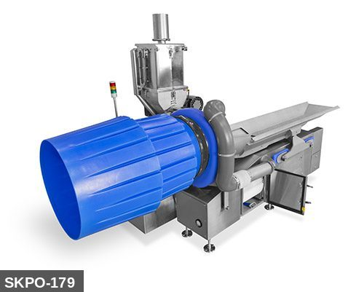 |  |  |  | 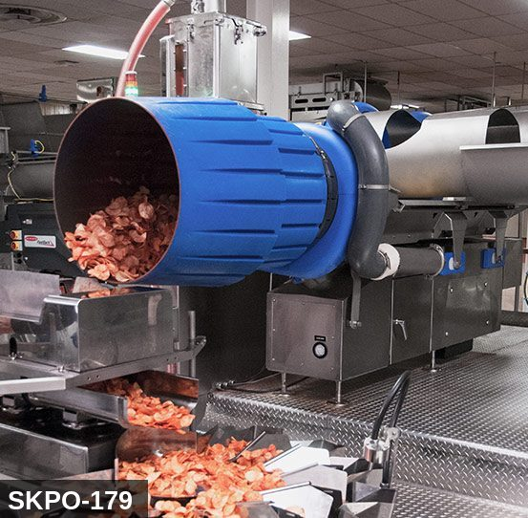
...
COLOR CODES
E = Electrical | G = Gas |  | H = Hydraulic | P = Pneumatic |  | M = Mechanical |  | T = Thermal
W = Water | S = Steam |  | V = Valve | CG = Compressed Gas |  | CP = Control Panel |  | GR = Gravity
EQUIPMENT IDENTIFICATION AND ENERGY ISOLATION PROCEDURE
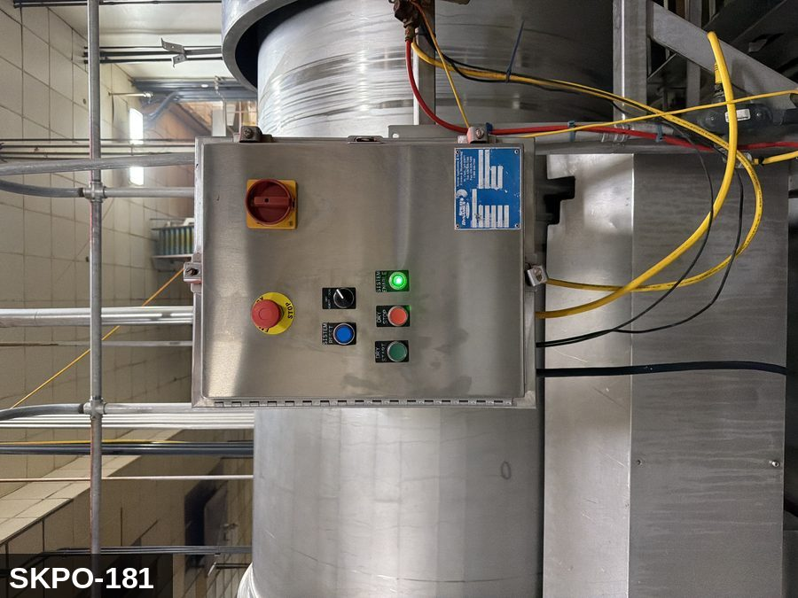 |  |  |  | 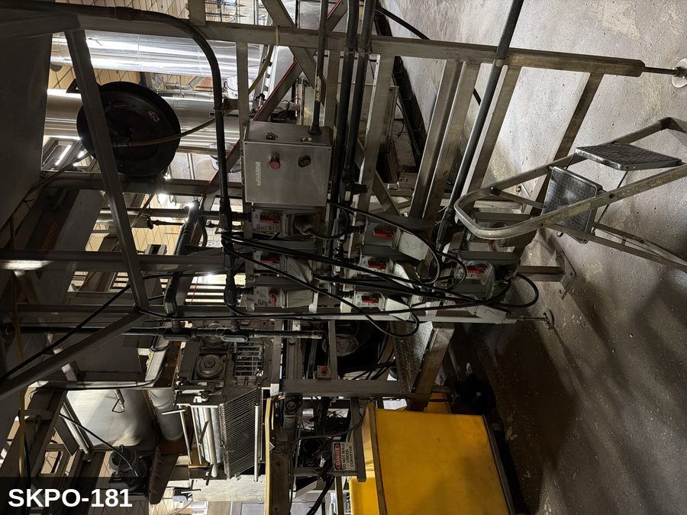
...
COLOR CODES
E = Electrical | G = Gas |  | H = Hydraulic | P = Pneumatic |  | M = Mechanical |  | T = Thermal
W = Water | S = Steam |  | V = Valve | CG = Compressed Gas |  | CP = Control Panel |  | GR = Gravity
EQUIPMENT IDENTIFICATION AND ENERGY ISOLATION PROCEDURE
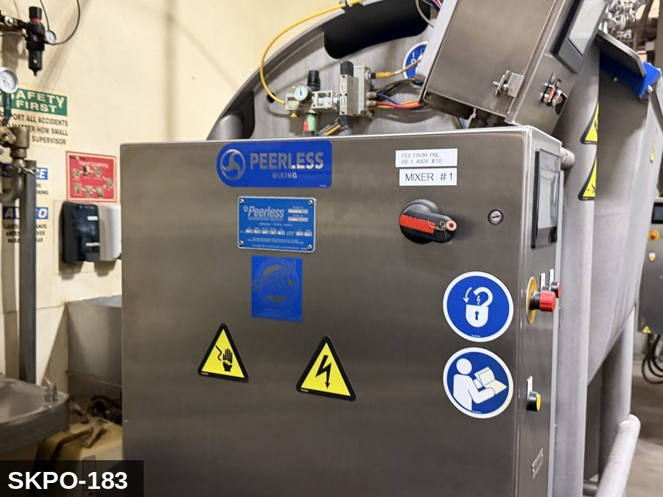 |  |  |  | 


